v0.1-0.4 Teensy LC and 3.2
Teensy LC Pinout Assignments for v0.1 and v0.2 Core 64 Badge
https://www.pjrc.com/teensy/teensyLC.html |  |  |  |  |  |  |  | USB DATA ONLY VUSB JUMPER CUT
Custom |  | Touch Sense | PWM | SPI | SERIAL | Digital IO | PIN Name |  | PIN Name | Digital IO | Analog | I2C | SPI | PWM | Touch Sense | Custom
Logic Ground |  |  |  |  |  |  | GND |  | Vin (3.7-5.5) |  |  |  |  |  |  | CUT JUMPER TO VUSB to Allow Battery Connection only (Common to LED Array, OLED screen, )
SENSE_PULSE |  | Touch |  | MOSI1 | RX1 | 0 | 0 |  | GND |  |  |  |  |  |  | Battery Ground Connection (Common to LED Array, OLED screen, )
Matrix Drive 1 - Q1P |  | Touch |  | MISO1 | TX1 | 1 | 1 |  | 3.3V (100mA) |  |  |  |  |  |  | 3.3V Regulated VOUT to AREF and low power stuff
Matrix Drive 2 - Q1N |  |  |  |  |  | 2 | 2 |  | 23 | 23 | A9 | SDA1 |  | PWM | Touch | WRITE ENABLE
Matrix Drive 3 - Q2P |  | Touch | PWM |  |  | 3 | 3 |  | 22 | 22 | A8 | SCL1 |  | PWM | Touch | Matrix Drive 20 Q10N
Matrix Drive 4 - Q2N |  | Touch | PWM |  |  | 4 | 4 |  | 21 | 21 | A7 |  | MOSI1 |  |  | Matrix Drive 19 Q10P
Matrix Drive 5 - Q3P |  |  |  |  |  | 5 | 5 |  | 20 | 20 | A6 |  | SCK1 | PWM |  | Matrix Drive 18 Q9N
Matrix Drive 6 - Q3N |  |  | PWM | CS1 |  | 6 | 6 |  | 19 | 19 | A5 | SCL0 |  |  | Touch | OLED Debug screen, hall sensors.
Matrix Drive 7 - Q4P |  |  |  |  | RX3 | 7 | 7 |  | 18 | 18 | A4 | SDA0 |  |  | Touch | OLED Debug screen, hall sensors.
Matrix Drive 8 - Q4N |  |  |  |  | TX3 | 8 | 8 |  | 17 | 17 | A3 |  |  | PWM | Touch | Matrix Drive 17 Q9P (shared with LED Array)
Matrix Drive 9 - Q5P |  |  | PWM |  | RX2 | 9 | 9 |  | 16 | 16 | A2 |  |  | PWM | Touch | Matrix Drive 16 Q8N
Matrix Drive 10 - Q5N |  |  | PWM | CS0 | TX2 | 10 | 10 |  | 15 | 15 | A1 |  |  |  | Touch | Matrix Drive 15 Q8P
Matrix Drive 11 - Q6P |  |  |  | MOSI0 |  | 11 | 11 |  | 14 | 14 | A0 |  |  |  |  | Matrix Drive 14 Q7N
Matrix Drive 12 - Q6N |  |  |  | MISO0 |  | 12 | 12 |  | 13 (LED) | 13 |  |  | SCK0 |  |  | Matrix Drive 13 Q7P (shared with heartbeat)
- |  |  |  |  |  |  | SHORT EDGE |  | BACKSIDE |  |  |  |  |  |  | -
LED Array (shared with address) |  |  |  |  |  | 17 | 17 at Vin Voltage |  | AREF | - |  |  |  |  |  | 3.3V Regulated VOUT from MCU
No Connection |  |  |  |  |  | - | 3.3V |  | 24 | 24 | A10 |  |  |  |  | Battery Voltage (/2) monitor
LOGIC Ground |  |  |  |  |  | - | GND |  | 25 | 25 | A11 |  |  |  |  | Reed switch 1
Pull high to avoid accidental programming |  |  |  |  |  | - | Program |  | VUSB |  |  |  |  |  |  | Power from USB to LiPo charger
Hall Switch |  |  |  |  |  | 26 | 26/A12/DAC |  |  |  |  |  |  |  |  | -
 |  |  |  |  |  |  | Interrupt capable: Teensy LC 2 - 12, 14, 15, 20 - 23
 |  |  |  |  |  |  | Teensy-LC delivers an impressive collection of capabilities to make modern electronic projects simpler.
 |  |  |  |  |  |  | It features an ARM Cortex-M0+ processor at 48 MHz, 62K Flash, 8K RAM, 12 bit analog input & output, hardware Serial, SPI & I2C, USB, and a total of 27 I/O pins.
 |  |  |  |  |  |  | Upgrade path is Teensy 3.1 or 3.2

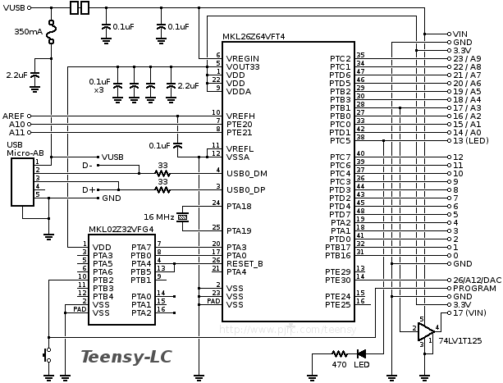
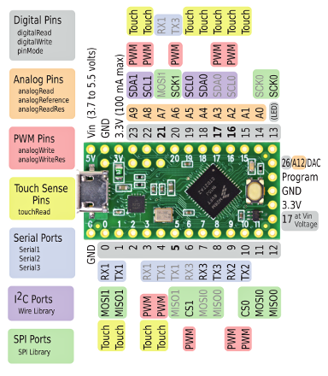
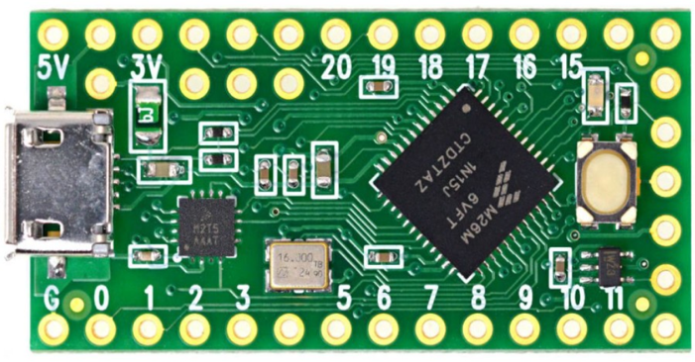
Teensy LC Pinout Assignments for v0.3 Core 64 Badge
https://www.pjrc.com/teensy/teensyLC.html |  |  |  |  |  |  |  | USB DATA ONLY VUSB JUMPER CUT
Custom |  | Touch Sense | PWM | SPI | SERIAL | Digital IO | PIN Name |  | PIN Name | Digital IO | Analog | I2C | SPI | PWM | Touch Sense | Custom 1 | Custom 2 | Custom 3 | Custom 4 | Custom 5
TEENSY_GND |  |  |  |  |  |  | GND |  | Vin (3.7-5.5) |  |  |  |  |  |  | TEENSY_VIN from +VSW
SAO Port 1, GPIO 2 (RX) |  | Touch |  | MOSI1 | RX1 | 0 | 0 |  | GND |  |  |  |  |  |  | TEENSY_GND
SAO Port 1, GPIO 1 (TX) |  | Touch |  | MISO1 | TX1 | 1 | 1 |  | 3.3V (100mA) |  |  |  |  |  |  | TEENSY_3V3 from Teensy 3.3V
IOEXP_ID38_INT_A |  |  |  |  |  | 2 | 2 |  | 23 | 23 | A9 | SDA1 |  | PWM | Touch | Testing hall sensor 2
IOEXP_ID38_INT_B |  | Touch | PWM |  |  | 3 | 3 |  | 22 | 22 | A8 | SCL1 |  | PWM | Touch
IOEXP_ID39_INT_A |  | Touch | PWM |  |  | 4 | 4 |  | 21 | 21 | A7 |  | MOSI1 |  |  | Battery Voltage (1/2) monitor
IOEXP_ID39_INT_B |  |  |  |  |  | 5 | 5 |  | 20 | 20 | A6 |  | SCK1 | PWM
 |  |  | PWM | CS1 |  | 6 | 6 |  | 19 | 19 | A5 | SCL0 |  |  | Touch | IO Expanders 27 of 32 (Core drive, enable, sense/reset, digital halls) | OLED Debug | I2C Hall Sensors | SAO 1,2,3
 |  |  |  |  | RX3 | 7 | 7 |  | 18 | 18 | A4 | SDA0 |  |  | Touch | IO Expanders 27 of 32 (Core drive, enable, sense/reset, digital halls) | OLED Debug | I2C Hall Sensors | SAO 1,2,3
SENSE OUT A |  |  |  |  | TX3 | 8 | 8 |  | 17 | 17 | A3 |  |  | PWM | Touch | LED Array - bit-banged | SAO3_GPIO1
SENSE OUT B |  |  | PWM |  | RX2 | 9 | 9 |  | 16 | 16 | A2 |  |  | PWM | Touch |  | SAO3_GPIO2
SDCARD CS |  |  | PWM | CS0 | TX2 | 10 | 10 |  | 15 | 15 | A1 |  |  |  | Touch | SDCARD CD
SDCARD DI |  |  |  | MOSI0 |  | 11 | 11 |  | 14 | 14 | A0 |  |  |  |  | SDCARD CLK
SDCARD DO |  |  |  | MISO0 |  | 12 | 12 |  | 13 (LED) | 13 |  |  | SCK |  |  | Heartbeat LED - Built-in - user configurable | SDCARD CLK
- |  |  |  |  |  |  | SHORT EDGE |  | BACKSIDE |  |  |  |  |  |  | -
Try not to use any of these |  |  |  |  |  | 17 | 17 at Vin Voltage |  | AREF | - |  |  |  |  |  | Connect back to TEENSY_3V3
to avoid the need to populate |  |  |  |  |  | - | 3.3V | If needed, pull PRG | 24 | 24 | A10
this end row header on the PCB. |  |  |  |  |  | - | GND | HIGH with 10K on | 25 | 25 | A11
 |  |  |  |  |  | - | Program | TEENSY board. | VUSB |  |  |  |  |  |  | TEENSY_VUSB to Core 64 Power Switch input
 |  |  |  |  |  | 26 | 26/A12/DAC |  |  |  |  |  |  |  |  | -
 |  |  |  |  |  |  | Interrupt capable: Teensy LC 2 - 12, 14, 15, 20 - 23
 |  |  |  |  |  |  | Teensy-LC delivers an impressive collection of capabilities to make modern electronic projects simpler.
 |  |  |  |  |  |  | It features an ARM Cortex-M0+ processor at 48 MHz, 62K Flash, 8K RAM, 12 bit analog input & output, hardware Serial, SPI & I2C, USB, and a total of 27 I/O pins.
 |  |  |  |  |  |  | Upgrade path is Teensy 3.1 or 3.2

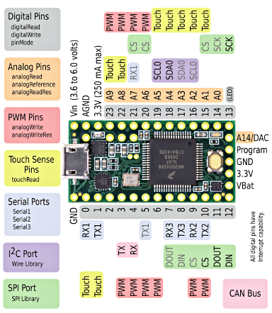
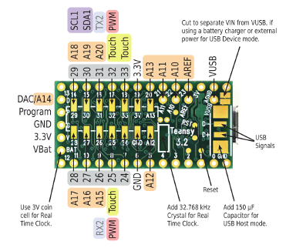
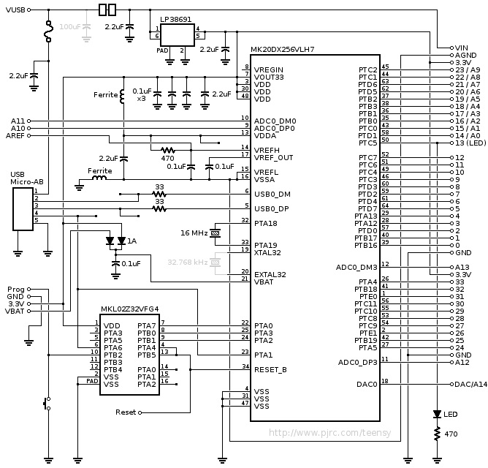
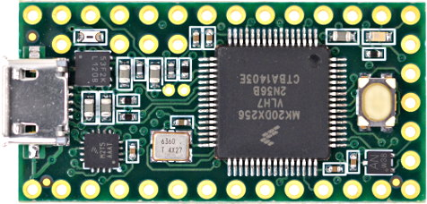
Teensy 3.2 Pinout Assignments for v0.4 Core 64 Badge
https://www.pjrc.com/teensy/teensy31.html |  |  |  |  |  |  |  | MUST CUT USB-VUSB JUMPER
Custom 1 | Custom 2 | Custom 3 | PWM | SPI | SERIAL | Digital IO | PIN Name |  | PIN Name | Digital IO | Analog | I2C | SPI | PWM | Touch Sense | Custom 1 | Custom 2 | Custom 3 | Custom 4 | Custom 5
TEENSY_GND |  |  |  |  |  |  | GND |  | Vin (3.6-6.0) |  |  |  |  |  |  | TEENSY_VIN connect to 5V0
SAO Port 1&2, GPIO 2 (RX) | SPARE GPIO 2 (3-to-8 decoder) | Touch |  |  | RX1 | 0 | 0 |  | AGND |  |  |  |  |  |  | TEENSY_GND
SAO Port 1&2, GPIO 1 (TX) | SPARE GPIO 1 (3-to-8 decoder) | Touch |  |  | TX1 | 1 | 1 |  | 3.3V (250mA) |  |  |  |  |  |  | TEENSY_3V3_AREF
Matrix Drive 1 - Q1P (normally high) | OLED CS |  |  |  |  | 2 | 2 |  | 23 | 23 | A9 |  |  | PWM | Touch | WRITE ENABLE
Matrix Drive 2 - Q1N | OLED Data/control |  | PWM |  | CAN | 3 | 3 |  | 22 | 22 | A8 |  |  | PWM | Touch | SENSE_PULSE
Matrix Drive 3 - Q2P (normally high) | TOUCH_CS |  | PWM |  | CAN | 4 | 4 |  | 21 | 21 | A7 |  | CS | PWM |  | Matrix Drive 9 - Q5P (normally high) | Spare SPI CS
Matrix Drive 4 - Q2N | Teensy View Data/control (default) | IR MODULATOR | PWM |  |  | 5 | 5 |  | 20 | 20 | A6 |  | CS | PWM |  | Matrix Drive 10 - Q5N | Spare SPI Data/Control
Matrix Drive 5 - Q3P (normally high) | SDCARD_CS |  | PWM |  |  | 6 | 6 |  | 19 | 19 | A5 | SCL0 |  |  | Touch | I2C BUS | OLED Debug | I2C Hall Sensors | SAO 1&2
Matrix Drive 6 - Q3N |  |  |  |  | RX3 | 7 | 7 |  | 18 | 18 | A4 | SDA0 |  |  | Touch | I2C BUS | OLED Debug | I2C Hall Sensors | SAO 1&2
Matrix Drive 7 - Q4P (normally high) | TFT CS |  |  |  | TX3 | 8 | 8 |  | 17 | 17 | A3 | SDA1 |  | PWM | Touch | LED Array - bit-banged | TFT BACKLIGHT
Matrix Drive 8 - Q4N | TFT D/C |  | PWM |  | RX2 | 9 | 9 |  | 16 | 16 | A2 | SCL1 |  | PWM | Touch | SPARE GPIO 5 | TFT Reset (cannot share)
SPARE 6 DIGITAL & PWM | Teensy View CS (default) |  | PWM | CS0 | TX2 | 10 | 10 |  | 15 | 15 | A1 |  |  |  | Touch | SPARE GPIO 4 | Teensy View Reset (cannot share) (default)
SPI SDI (MOSI) default |  |  |  | DOUT |  | 11 | 11 |  | 14 | 14 | A0 |  |  |  |  | SPARE GPIO 3 (3-to-8 decoder) | SENSE_RESET
SPI SDO (MISO) default |  |  |  | DIN |  | 12 | 12 |  | 13 (LED) | 13 |  |  | SCK |  |  | SPI SCK (default) | LED - Built-in (heart beat)
- |  |  |  |  |  |  | SHORT EDGE |  | BACKSIDE |  |  |  |  |  |  | -
Try not to use any of these |  |  |  |  |  | - | VBAT |  | AREF | - |  |  |  |  |  | TEENSY_AREF Connect back to TEENSY_3V3_AREF
to avoid the need to populate |  |  |  |  |  | - | 3.3V | If needed, pull PRG | A10 |  | A10 |  |  |  |  | Battery Voltage monitor
this end row header on the PCB. |  |  |  |  |  | - | GND | HIGH with 10K on | A11 |  | A11 |  |  |  |  | SDCARD CD
Unused |  |  |  |  |  | - | Program | TEENSY board. | VUSB |  |  |  |  |  |  | TEENSY_VUSB supply to Core64 Power Switch SPDT
Bring out the DAC for expansion! |  |  |  |  |  | - | A14/DAC |  |  |  |  |  |  |  |  | -
 |  |  |  |  |  |  |  |  | A12 |  | A12 |  |  |  |  | SPARE ANALOG (or pseudo digital input)
 |  |  |  |  |  |  |  |  | A13 |  | A13 |  |  |  |  | SPARE ANALOG (or pseudo digital input)
SPI DEVICE READINESS: |  |  |  |  |  |  |  |  | GND |  |  |  |  |  |  | TEENSY_GND
TFT 3.2" |  |  |  |  |  |  |  |  | 3.3V
OLED TeensyView |  |  |  |  |  |  |  |  | 24 | 24 |  |  |  |  |  | Matrix Drive 20 Q10N
OLED Generic |  |  |  |  |  |  |  |  | 25 | 25 |  |  |  | PWM | Touch | Matrix Drive 19 Q10P (normally high)
SD Card |  |  |  |  |  |  |  |  | 26 | 26 | A15 |  |  |  |  | Matrix Drive 18 Q9N
Touch Screen Controller |  |  |  |  |  |  |  |  | 27 | 27 | A16 |  |  |  |  | Matrix Drive 17 Q9P (normally high)
 |  |  |  |  |  |  |  |  | 28 | 28 | A17 |  |  |  |  | Matrix Drive 16 Q8N
 |  |  |  |  |  |  |  |  | 29 | 29 | A18 |  |  |  |  | Matrix Drive 15 Q8P (normally high)
 |  |  |  |  |  |  |  |  | 30 | 30 | A19 |  |  |  |  | Matrix Drive 14 Q7N
 |  |  |  |  |  |  |  |  | 31 | 31 | A20 |  |  |  |  | Matrix Drive 13 Q7P (normally high)
 |  |  |  |  |  |  |  |  | 32 | 32 |  |  |  | PWM | Touch | Matrix Drive 12 - Q6N
 |  |  |  |  |  |  |  |  | 33 | 33 |  |  |  |  | Touch | Matrix Drive 11 - Q6P (normally high)
 |  |  |  |  |  |  | Interrupt capable: Teensy 3.2 all digital pins. All digital pins are 5 volt tolerant on Teensy 3.2 & 3.1. However, the analog-only pins (A10-A14), AREF, Program and Reset are 3.3V only.
 |  |  |  |  |  |  | Version 3.2 features a 32 bit ARM processor. Freescale MK20DX256VLH7 Cortex M4 w/DSP @72MHz, 256K Program Flash and FlexMemory, -40 to 105°C,
 |  |  |  |  |  |  | Teensy 3.2 adds a more powerful 3.3 volt regulator, with the ability to directly power ESP8266 Wifi, WIZ820io Ethernet and other power-hungry 3.3V add-on boards.
 |  |  |  |  |  |  | RAM 64K.
 |  |  |  |  |  |  | Program Flash memory 256K

